Home
STEP 1 | Find a nonprofit partner that can benefit from the project. CONTACT THEM BEFORE YOU SUBMIT A REQUEST and determine the type of Disaster Kit and quantity. Links below could help connect you with potential recipients.

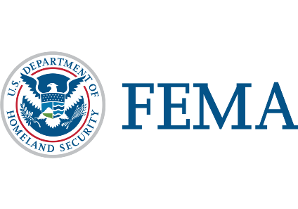
 | AMERICAN RED CROSS | FIRE DEPT. | SALVATION ARMY | LOCAL EMERGENCY MGMT. AGENCIES

STEP 2 | Select Kits - these kits are just starting points. You can adjust any kit to your inventory and partner's needs.

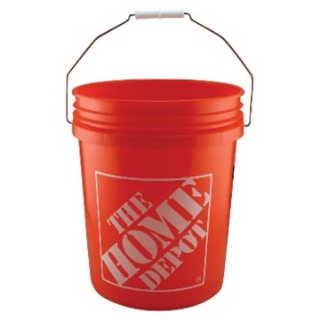
 | Disaster Now Kit
 | These products are most likely to be available in inventory.

 | Disaster Cleanup Buckets
 | Most likely not completed in the break room, recommend taking up a few parking spaces.

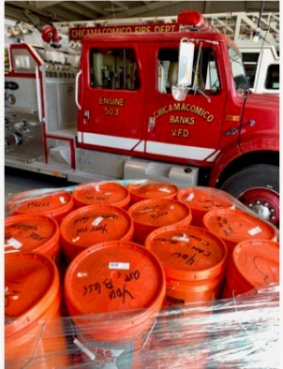
 | Ensure you can transport and partner has enough storage space.

 | Disaster Preparedness Kit
 | Most likely completed in the break room.
 | Smaller kit that is easier to store and transport.
 | 6Qt. Container is 14"x8"x5".
 | Lowest cost per kit = more impact or more associates participating

